2. ASEM calculations
Variables used to calculate estimated daily sunscreen exposure for each scenario |  |  |  |  |  |  | Calculation for estimated daily sunscreen exposure for each scenario |  |  |  |  |  |  | Calculation for highest estimated daily sunscreen exposure
Scenario | 1 | 2 | 3 | 4 | 5 | 6 | Daily sunscreen exposure (Method 1, mg/kg bw/day) | 1 | 2 | 3 | 4 | 5 | 6 | Method 1 (mg/kg bw/day) | Scenarios 4+6 | Scenarios 3+5 | Scenarios 3+6
AF (application frequency) | 2 | 2 | 2 or 3* | 3 | 3 | 3 | Toddler (1-<2 yo) | N.A. | N.A. | 607 | N.A. | 66 | N.A. | Toddler (1-<2 yo) | N.A. | 673 | N.A.
Duration (days) | 240 | 240 | 240 | 240 | 26 | 26 | Toddler (2- <3 yo) | N.A. | N.A. | 487 | N.A. | 55 | N.A. | Toddler (2- <3 yo) | N.A. | 543 | N.A.
AT (Averaging time, days) | 365 | 365 | 365 | 365 | 365 | 365 | Preschool student (3- <6 yo) | N.A. | N.A. | 237 | N.A. | 39 | N.A. | Preschool student (3- <6 yo) | N.A. | 276 | N.A.
Appl Rate (application rate, mg/cm2) | 2 | 2 | 2 | 2 | 2 | 2 | Primary school student (6 - <11 yo) | N.A. | N.A. | 211 | N.A. | 35 | N.A. | Primary school student (6 - <11 yo) | N.A. | 246 | N.A.
*3 applications for toddler (1-<2 yo)/(2-<3 yo) and 2 applications for other children |  |  |  |  |  |  | Secondary school student (11- <16 yo) | N.A. | N.A. | 211 | N.A. | 36 | 106 | Secondary school student (11- <16 yo) | N.A. | N.A. | 317
 |  |  |  |  |  |  | Adult | 63 | 267 | N.A. | 279 | 26 | 97 | Adult | 376 | N.A. | N.A.
SSA (skin surface area exposed to sunscreen, m2, 95th) | 1 | 2 | 3 | 4 | 5 | 6 | N.A. Not Applicable
Toddler (1-<2 yo) | - | - | 0.20 | - | 0.20 | - | Daily sunscreen exposure Method 2 (cm2/kg bw/day) | 1 | 2 | 3 | 4 | 5 | 6 | Method 2 (cm2/kg bw/day) | Scenarios 4+6 | Scenarios 3+5 | Scenarios 3+6
Toddler (2- <3 yo) | - | - | 0.21 | - | 0.22 | - | Toddler (1-<2 yo) | N.A. | N.A. | 303 | N.A. | 33 | N.A. | Toddler (1-<2 yo) | N.A. | 336 | N.A.
Preschool student (3- <6 yo) | - | - | 0.33 | - | 0.33 | - | Toddler (2- <3 yo) | N.A. | N.A. | 244 | N.A. | 28 | N.A. | Toddler (2- <3 yo) | N.A. | 271 | N.A.
Primary school student (6 - <11 yo) | - | - | 0.46 | - | 0.48 | - | Preschool student (3- <6 yo) | N.A. | N.A. | 119 | N.A. | 19 | N.A. | Preschool student (3- <6 yo) | N.A. | 138 | N.A.
Secondary school student (11- <16 yo) | - | - | 0.67 | - | 0.69 | 2.06 | Primary school student (6 - <11 yo) | N.A. | N.A. | 105 | N.A. | 18 | N.A. | Primary school student (6 - <11 yo) | N.A. | 123 | N.A.
Adult | 0.26 | 1.09 | - | 0.76 | 0.65 | 2.43 | Secondary school student (11- <16 yo) | N.A. | N.A. | 105 | N.A. | 18 | 53 | Secondary school student (11- <16 yo) | N.A. | N.A. | 158
 |  |  |  |  |  |  | Adult | 31 | 134 | N.A. | 140 | 13 | 48 | Adult | 188 | N.A. | N.A.
Bwt (body weight linked to SSA, kg, 95th) | 1 | 2 | 3 | 4 | 5 | 6 | N.A. Not Applicable
Toddler (1-<2 yo) | - | - | 13 | - | 13 | - | Formulae: |  |  |  |  |  |  | Formula:
$$ASEM \left(method 1\right)=\frac{Appl Rate× SSA × AF × Duration}{Bw_{t} × AT}$$
$$ASEM (method 2)=\frac{SSA × AF × Duration}{Bw_{t} × AT}$$
$${ASEM}_{highest estimated daily sunscreen exposure }=ASEMscenario a+ASEM scenario b$$
Toddler (2- <3 yo) | - | - | 17 | - | 17 | -
Preschool student (3- <6 yo) | - | - | 36 | - | 36 | -
Primary school student (6 - <11 yo) | - | - | 58 | - | 58 | -
Secondary school student (11- <16 yo) | - | - | 83 | - | 83 | 83
Adult | 107 | 107 | - | 107 | 107 | 107 |  |  |  |  |  |  |  | Notes:
The TGA has calculated the sunscreen exposure for each ASEM scenarios, and combined the weekday and weekend scenarios to provide a yearly realistic exposure:
For adults, a combination of Scenarios 4 and 6.
For secondary school children, a combination of Scenarios 3 and 6.
For other children, including toddlers, pre-school, and primary school children, a combination of Scenarios 3 and 5.
To derive the estimated daily sunscreen exposure, Scenarios 3 and 5 for toddlers aged 1 to 2 years old provided the highest estimated daily sunscreen exposure. Therfore the can be caculated as below:
ASEM (method 1) Scenario 3 + Scenario 5 = 607 + 66 = 673 mg/kg bw/day
ASEM (method 2) Scenario 3 + Scenarios 5 = 303 + 33 = 336 cm²/kg bw/day
$Appl Rate , SSA, AF, Duration, Bw_{t} and AT$ are variables used to calculate the estimated daily sunscreen exposure for each scenario.
Where:
Appl Rate Application rate of product (2 mg/cm²) (Sunscreen Standard)
SSA Surface area of skin sunscreen applied to (cm²) per application
AF Application Frequency (applications/day)
Duration Annual Use (days)
Bw_{t} Body weight linked to SSA (kg)
AT Averaging time (365 days)
Notes:
 |  |  |  |  |  |  | Notes:
Method 1 is used if the dermal absorption is based on the percentage of the ingredient dermally absorbed (%).
Method 2 is used if the dermal absorption is based on the absolute amount of the ingredient that is bioavailable (μg/cm²).

3. Scenarios
Scenario |  | Parts of body applied | AF | Duration | Description
Yellow areas represent sunscreen applied to skin |  |  | (applications per day) | (days per year)
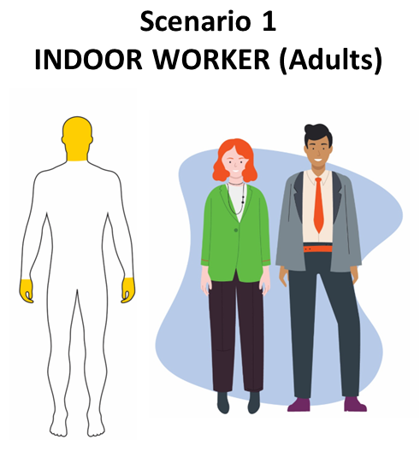 | Infrequent sun exposure. Limited sunscreen use. | Head (including face and neck), hands | Up to 2 | 240 | This scenario accounts for daily sunscreen application practice for adults undertaking indoor work during the weekdays. This population is likely to wear formal or semi-formal clothing that fully covers the torso, arms, legs, and footwear. It presumes that sunscreen is applied once in the morning and once again during morning tea, lunch, or afternoon.
 | Office, retail, hospitality, health worker, vehicle operator
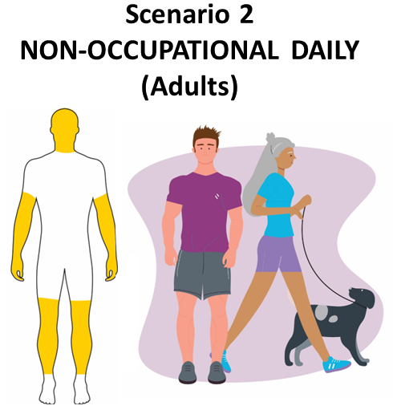 | Regular sun exposure. Limited sunscreen use. | Head (including face and neck), hands, ¾ arms, ¾ legs | Up to 2 | 240 | This scenario accounts for daily sunscreen application for adults (including active retirees) undertaking outdoor recreational activities during weekdays. This population, particularly in warmer regions of Northern Australia, are likely to wear sport/casual clothing that may cover approximately ¼ of the arms and legs, torso and footwear. It presumes that sunscreen is applied once in the morning/start of the activity and once again halfway into the activity.

 | Daily exercise, dog walking, gardening, and other recreation
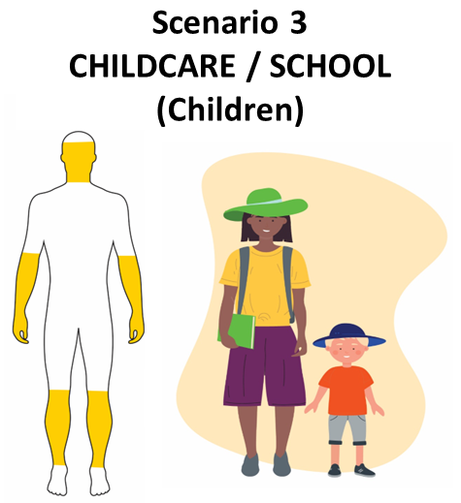 | Frequent sun exposure. Regular sunscreen use. | Face, neck, hands, ½ arms, ½ legs | Up to 3 (Childcare)/Up to 2 (School) | 240 | This scenario accounts for daily sunscreen application for children (above one year of age) attending sun smart childcare services (and schools) during the weekday. This population, particularly in warmer parts of Australia, are likely to wear hats and clothing that covers the torso, ½ arms and legs, and footwear. Sunscreen is applied frequently as a policy/practice in the majority of the early childhood centres but sun protection behaviours tend to reduce in older children and therefore sunscreen has been assumed to be applied up to two applications per day in older children. The estimation of sunscreen exposure for childcares is based on toddlers aged above 12 months instead of 6 to 12 months, as children normally learn to walk on their own between 12-15 months of age and are more likely to be exposed to the sun (and consequently sunscreens) in a childcare setting relative to a 6-12-month-old child. Moreover, infants under 12 months are not recommend to be exposed to the sun, and children under 6 months are not recommended to use sunscreen.

 | Childcare (1- 2 years old) and school children (under 18)
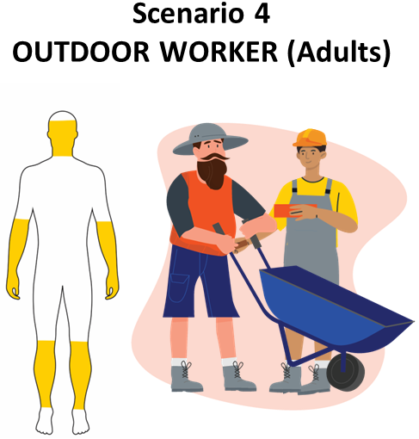 | Frequent sun exposure. Regular sunscreen use. | Face, neck, hands, ½ arms, ½ legs | Up to 3 | 240 | This scenario accounts for daily sunscreen application practice for adults engaging in outdoor work (as their main occupation) during weekdays. This population, particularly in warmer regions of Australia, are likely to wear specific workwear including a hat, clothing that fully covers the torso, ½ arms and legs, and footwear. Sunscreen is applied once in the morning, during lunch/midday and in the afternoon as this would include professions that are expected to spend long periods of time during the day (~6 hours) during peak UV periods.
 | Agricultural worker, grounds keeper, landscaper, tradesperson, surf lifeguard
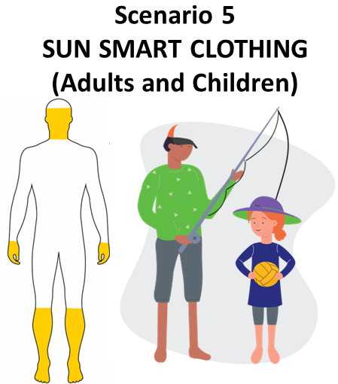 | Prolonged sun exposure. Extensive sunscreen use. | Face, neck, hands, ½ legs, feet | Up to 3 | 26 | This scenario accounts for daily sunscreen application for sun-smart adults and children, undertaking outdoor recreational activities that lead to prolonged sun exposure on weekends. This population is likely to wear hats and clothing such as a long sleeve shirt/rashie, shorts/boardies that cover ½ legs. Sunscreen is applied once in the morning/start of the activity and twice again during the day, particularly due to swimming, sweating or towel drying that may remove the product.
 | Full day in the sun (beach or other activities)
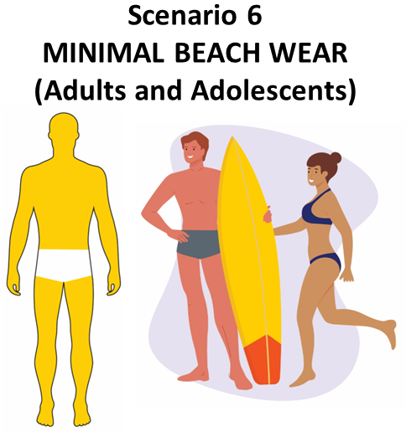 | Prolonged sun exposure. Extensive sunscreen use. | Full body | Up to 3 | 26 | This scenario accounts for sunscreen application for adults and adolescents spending full day at the beach leading to prolonged sun exposure on weekends. This population is likely to wear minimal swimwear. It presumes that sunscreen is applied once in the morning and twice again during the day, particularly due to swimming, sweating or towel drying that may remove the product. This scenario does not include children, as they are typically supervised by parents and expected to wear sun-smart attire, including hats and protective clothing, as outlined in scenario 5.

 | Full day at the beach

